LDV frt
Using 2015 data for start year fleet

SYFAFE at 2015
SP MDV Gasoline | 9.2722006576E-05
SP MDV Diesel | 0.00010129072482
SP MDV CNG | 9.8804154448E-05
Battery Electric MDV | 0.00017571035881

Regularized prices
From BNVFE.xlsx

cargo miles per BTU | 2015 | 2016 | 2017 | 2018 | 2019 | 2020 | 2021 | 2022 | 2023 | 2024 | 2025 | 2026 | 2027 | 2028 | 2029 | 2030 | 2031 | 2032 | 2033 | 2034 | 2035 | 2036 | 2037 | 2038 | 2039 | 2040 | 2041 | 2042 | 2043 | 2044 | 2045 | 2046 | 2047 | 2048 | 2049 | 2050
SP MDV Diesel | 0.00010129072482 | 0.00010264266429 | 0.00010399460376 | 0.00010534654323 | 0.0001066984827 | 0.00010805042217 | 0.00010940236164 | 0.00011075430111 | 0.00011210624058 | 0.00011345818005 | 0.00011481011952 | 0.00011616205899 | 0.00011616205899 | 0.00011616205899 | 0.00011616205899 | 0.00011616205899 | 0.00011616205899 | 0.00011616205899 | 0.00011616205899 | 0.00011616205899 | 0.00011616205899 | 0.00011616205899 | 0.00011616205899 | 0.00011616205899 | 0.00011616205899 | 0.00011616205899 | 0.00011616205899 | 0.00011616205899 | 0.00011616205899 | 0.00011616205899 | 0.00011616205899 | 0.00011616205899 | 0.00011616205899 | 0.00011616205899 | 0.00011616205899 | 0.00011616205899
SP MDV Gasoline | 9.2722006576E-05 | 9.2787431512E-05 | 9.2852856448E-05 | 9.2918281384E-05 | 9.298370632E-05 | 9.3049131256E-05 | 9.3114556192E-05 | 9.3179981129E-05 | 9.3245406065E-05 | 9.3310831001E-05 | 9.3376255937E-05 | 9.3507105809E-05 | 9.3643607147E-05 | 9.3780108485E-05 | 9.3916609823E-05 | 9.4053111161E-05 | 9.4189612499E-05 | 9.4326113837E-05 | 9.4462615175E-05 | 9.4599116514E-05 | 9.4735617852E-05 | 9.487211919E-05 | 9.5008620528E-05 | 9.5145121866E-05 | 9.5281623204E-05 | 9.5418124542E-05 | 9.555462588E-05 | 9.5691127218E-05 | 9.5827628556E-05 | 9.5964129894E-05 | 9.6100631232E-05 | 9.623713257E-05 | 9.6373633909E-05 | 9.6510135247E-05 | 9.6646636585E-05 | 9.6646636585E-05
SP MDV CNG | 9.8804154448E-05 | 9.999650673E-05 | 0.00010118885901 | 0.00010238121129 | 0.00010357356358 | 0.00010476591586 | 0.00010595826814 | 0.00010715062042 | 0.0001083429727 | 0.00010953532498 | 0.00011072767727 | 0.00011192002955 | 0.00011192002955 | 0.00011192002955 | 0.00011192002955 | 0.00011192002955 | 0.00011192002955 | 0.00011192002955 | 0.00011192002955 | 0.00011192002955 | 0.00011192002955 | 0.00011192002955 | 0.00011192002955 | 0.00011192002955 | 0.00011192002955 | 0.00011192002955 | 0.00011192002955 | 0.00011192002955 | 0.00011192002955 | 0.00011192002955 | 0.00011192002955 | 0.00011192002955 | 0.00011192002955 | 0.00011192002955 | 0.00011192002955 | 0.00011192002955
Battery Electric MDV | 0.00017571035881 | 0.00018003118617 | 0.00018435201354 | 0.00018867284091 | 0.00019299366827 | 0.00019731449564 | 0.00020163532301 | 0.00020595615037 | 0.00021027697774 | 0.00021459780511 | 0.00021891863247 | 0.00021891863247 | 0.00021891863247 | 0.00021891863247 | 0.00021891863247 | 0.00021891863247 | 0.00021891863247 | 0.00021891863247 | 0.00021891863247 | 0.00021891863247 | 0.00021891863247 | 0.00021891863247 | 0.00021891863247 | 0.00021891863247 | 0.00021891863247 | 0.00021891863247 | 0.00021891863247 | 0.00021891863247 | 0.00021891863247 | 0.00021891863247 | 0.00021891863247 | 0.00021891863247 | 0.00021891863247 | 0.00021891863247 | 0.00021891863247 | 0.00021891863247

Nonroad Freight
Distance traveled within model boundaries taken as most uncertain for non road.
Estimate freight efficiency here, and then adjust average distance traveled by vehicle.

 | freight ton miles per gallon |  | HDV freight efficiency from BNVE | Efficiency as a ratio compared to HDV freight | Imputed efficiency | Imputed vehicle efficiency based on AVLo
water | 576 |  |  | 5.2363636364 | 1.35E-03
rail | 413 |  |  | 3.7545454545 | 2.68E-03
truck | 110 |  | 7.14E-04
air | 10.5 |  |  | 0.095454545455 | 6.81E-05

Note rail freight efficiency directly calculated in BTS Table 6-10 below. | 3.40E-03
This value is somewhat higher than the value calculated below.
We consider substituting it for the value we found.
However, we further observe this is for Class 1 railroad types, which have higher efficiency.
Therefore, we decide to retain the value calculated in cell f6

https://www.csx.com/index.cfm/about-us/the-csx-advantage/fuel-efficiency/?mobileFormat=true
https://www.ctls.uconn.edu/tag/ton-mile-per-gallon |  |  |  |  | commentary from Univ of
Though the Association of American Railroads (AAR) – a group which advocates for safety and environmental concerns – announced in 2010 that the average ton of railroad freight in the U.S. moves 480 miles on a single gallon of gas, Dr. Lownes suggests that these kinds of numbers may not reflect the true efficiency of trains across the country.
 |  |  |  |  |  |  |  |  |  |  |  |  |  |  | Imputed vehicle efficiency
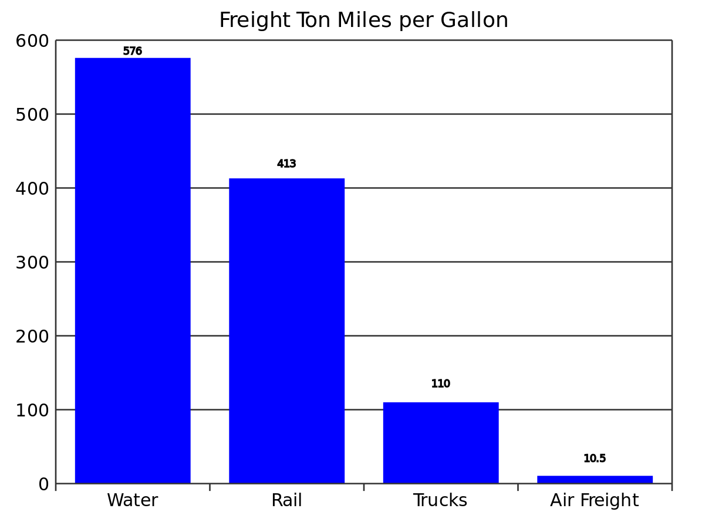
 |  |  |  |  |  |  |  |  |  |  |  |  |  |  | #DIV/0!

https://www.ctls.uconn.edu/tag/ton-mile-per-gallon

Below source shows similar efficiency across modes.

https://ops.fhwa.dot.gov/freight/Memphis/appendix_materials/mccarville/slide10.jpg

Domestic vs. international shipping
However, BTS data Table 6-10 show need to consider domestic vs. international shipping efficienc.
Domestic is lower.

https://www.bts.gov/bts-publications/freight-facts-and-figures/freight-facts-figures-2017-chapter-6-safety-energy-and

Table 6-10 Energy Intensities of Domestic Freight Transportation Modes: 2007, 2010, and 2012–2014

 | 2007 | 2010 | 2011 | 2012 | 2013 | 2014
Highway1 (Btu per vehicle-mile) | 21,238 | 21,499 | 21,677 | (R) 21,524 | 21,540 | 21,573
Railroad (Class I) (Btu per freight-car-mile) | 14,846 | 13,733 | 14,043 | 13,800 | 14,607 | 14,533
Railroad (Class I) (Btu per ton-mile) | 320 | 289 | 298 | 294 | 296 | 292
Domestic waterborne commerce (Btu per ton-mile) | 225 | 217 | 211 | 210 | NA | NA
KEY: Btu = British thermal unit; NA = not available; R = revised.

1Includes heavy single-unit and combination trucks. Heavy single-unit trucks are trucks that have two axles and at least six tires or a gross vehicle weight rating exceeding 10,000 pounds. Based on a new methodology, FHWA revised its annual vehicle-miles traveled, number of vehicles, and fuel economy data beginning with 2007. Energy intensity data are based on the new FHWA methodology. Information on the new methodology is available at www.fhwa.dot.gov/policyinformation/statistics.cfm. Data in this table should not be compared to those in pre-2011 editions of Freight Facts and Figures.

SOURCE: Oak Ridge National Laboratory, Transportation Energy Data Book: Edition 35 (Oak Ridge, TN: annual issues), table 2.17, available at http://cta.ornl.gov/data/index.shtml as of May 2017.

Energy expended covering miles versus at Port

Also need to account for the fact that some energy expenditures come at Port and do not add to miles traveled.

E3 shipping related energy use
Total of Ocean Going and Harbor Craft | 0.058353290545 | 0.061363599991 | 0.064386805442 | 0.067441036088 | 0.069800643254 | 0.072132171738 | 0.074410108267 | 0.076634250011 | 0.079140813121 | 0.081553520582 | 0.084045793941 | 0.086425344213 | 0.088706030352 | 0.090888812543 | 0.092974640836 | 0.095409209748 | 0.097691128521 | 0.099823145515 | 0.10180799934 | 0.10364841884 | 0.10568957207 | 0.10753420083 | 0.1091869887 | 0.1106526095 | 0.11193572728 | 0.11348093561 | 0.11474379999 | 0.11573322103 | 0.1164580896 | 0.11692728678 | 0.11714968392 | 0.11713414261 | 0.11688951466 | 0.11642464216 | 0.11574835743

Ocean going | 2016 | 2017 | 2018 | 2019 | 2020 | 2021 | 2022 | 2023 | 2024 | 2025 | 2026 | 2027 | 2028 | 2029 | 2030 | 2031 | 2032 | 2033 | 2034 | 2035 | 2036 | 2037 | 2038 | 2039 | 2040 | 2041 | 2042 | 2043 | 2044 | 2045 | 2046 | 2047 | 2048 | 2049 | 2050
Electricity | 1.97E-03 | 2.40E-03 | 3.03E-03 | 3.63E-03 | 4.34E-03 | 4.73E-03 | 5.13E-03 | 5.55E-03 | 6.02E-03 | 6.50E-03 | 7.04E-03 | 7.60E-03 | 8.17E-03 | 8.75E-03 | 9.35E-03 | 0.010005908993 | 0.010673042495 | 0.011348655706 | 0.012032258764 | 0.012723363438 | 0.013475285485 | 0.014227434309 | 0.014979007459 | 0.015729204115 | 0.016477225085 | 0.017299313989 | 0.01810224359 | 0.018884570783 | 0.019644854088 | 0.020381653658 | 0.021093531274 | 0.021779050347 | 0.022436775916 | 0.023065274649 | 0.023663114846
Gasoline | 0 | 0 | 0 | 0 | 0 | 0 | 0 | 0 | 0 | 0 | 0 | 0 | 0 | 0 | 0 | 0 | 0 | 0 | 0 | 0 | 0 | 0 | 0 | 0 | 0 | 0 | 0 | 0 | 0 | 0 | 0 | 0 | 0 | 0 | 0
Diesel | 0.039092473629 | 0.041609957226 | 0.043956299546 | 0.046339086109 | 0.048062512062 | 0.050078373315 | 0.052027140949 | 0.053908481721 | 0.056037295236 | 0.058064445231 | 0.060089740631 | 0.06200285352 | 0.063804996766 | 0.065497371849 | 0.067081168869 | 0.068954112954 | 0.070666570677 | 0.072221783414 | 0.073622981158 | 0.074873382513 | 0.076264841295 | 0.077460691431 | 0.078466420468 | 0.079287504567 | 0.079929408505 | 0.080760483739 | 0.081329524545 | 0.081646876164 | 0.081722872449 | 0.081567835869 | 0.081192077508 | 0.080605897064 | 0.079819582849 | 0.078843411792 | 0.077687649435
Liquified Pipeline Gas (LNG) | 0 | 0 | 0 | 0 | 0 | 0 | 0 | 0 | 0 | 0 | 0 | 0 | 0 | 0 | 0 | 0 | 0 | 0 | 0 | 0 | 0 | 0 | 0 | 0 | 0 | 0 | 0 | 0 | 0 | 0 | 0 | 0 | 0 | 0 | 0
Compressed Pipeline Gas (CNG) | 0 | 0 | 0 | 0 | 0 | 0 | 0 | 0 | 0 | 0 | 0 | 0 | 0 | 0 | 0 | 0 | 0 | 0 | 0 | 0 | 0 | 0 | 0 | 0 | 0 | 0 | 0 | 0 | 0 | 0 | 0 | 0 | 0 | 0 | 0
Hydrogen | 0 | 0 | 0 | 0 | 0 | 0 | 0 | 0 | 0 | 0 | 0 | 0 | 0 | 0 | 0 | 0 | 0 | 0 | 0 | 0 | 0 | 0 | 0 | 0 | 0 | 0 | 0 | 0 | 0 | 0 | 0 | 0 | 0 | 0 | 0
Kerosene-Jet Fuel | 0 | 0 | 0 | 0 | 0 | 0 | 0 | 0 | 0 | 0 | 0 | 0 | 0 | 0 | 0 | 0 | 0 | 0 | 0 | 0 | 0 | 0 | 0 | 0 | 0 | 0 | 0 | 0 | 0 | 0 | 0 | 0 | 0 | 0 | 0
None | 0 | 0 | 0 | 0 | 0 | 0 | 0 | 0 | 0 | 0 | 0 | 0 | 0 | 0 | 0 | 0 | 0 | 0 | 0 | 0 | 0 | 0 | 0 | 0 | 0 | 0 | 0 | 0 | 0 | 0 | 0 | 0 | 0 | 0 | 0
total | 0.04 | 0.04 | 0.05 | 0.05 | 0.05 | 0.05 | 0.06 | 0.06 | 0.06 | 0.06 | 0.07 | 0.07 | 0.07 | 0.07 | 0.08 | 0.08 | 0.08 | 0.08 | 0.09 | 0.09 | 0.09 | 0.09 | 0.09 | 0.10 | 0.10 | 0.10 | 0.10 | 0.10 | 0.10 | 0.10 | 0.10 | 0.10 | 0.10 | 0.10 | 0.10

Harbor craft | 2016 | 2017 | 2018 | 2019 | 2020 | 2021 | 2022 | 2023 | 2024 | 2025 | 2026 | 2027 | 2028 | 2029 | 2030 | 2031 | 2032 | 2033 | 2034 | 2035 | 2036 | 2037 | 2038 | 2039 | 2040 | 2041 | 2042 | 2043 | 2044 | 2045 | 2046 | 2047 | 2048 | 2049 | 2050
Electricity | 0 | 0 | 0 | 0 | 2.84E-04 | 5.71E-04 | 8.60E-04 | 1.15E-03 | 1.45E-03 | 1.74E-03 | 2.04E-03 | 2.34E-03 | 2.64E-03 | 2.95E-03 | 3.26E-03 | 3.57E-03 | 3.88E-03 | 4.19E-03 | 4.51E-03 | 4.83E-03 | 5.15E-03 | 5.47E-03 | 5.80E-03 | 6.12E-03 | 6.45E-03 | 6.78E-03 | 7.12E-03 | 7.45E-03 | 7.79E-03 | 8.13E-03 | 8.48E-03 | 8.82E-03 | 9.17E-03 | 9.52E-03 | 9.87E-03
Gasoline | 0 | 0 | 0 | 0 | 0 | 0 | 0 | 0 | 0 | 0 | 0 | 0 | 0 | 0 | 0 | 0 | 0 | 0 | 0 | 0 | 0 | 0 | 0 | 0 | 0 | 0 | 0 | 0 | 0 | 0 | 0 | 0 | 0 | 0 | 0
Diesel | 0.017288416475 | 0.017351193875 | 0.0174043404 | 0.017469526441 | 0.01711030544 | 0.016754521371 | 0.016392390626 | 0.016024097257 | 0.015640299824 | 0.015246617689 | 0.01487208662 | 0.0144820477 | 0.014088112291 | 0.013690322816 | 0.013288720606 | 0.01288275002 | 0.01247340846 | 0.012060691548 | 0.011644594909 | 0.011225114164 | 0.010802244936 | 0.010375982849 | 9.95E-03 | 9.51E-03 | 9.08E-03 | 8.64E-03 | 8.19E-03 | 7.75E-03 | 7.30E-03 | 6.84E-03 | 6.39E-03 | 5.93E-03 | 5.46E-03 | 4.99E-03 | 4.52E-03
Liquified Pipeline Gas (LNG) | 0 | 0 | 0 | 0 | 0 | 0 | 0 | 0 | 0 | 0 | 0 | 0 | 0 | 0 | 0 | 0 | 0 | 0 | 0 | 0 | 0 | 0 | 0 | 0 | 0 | 0 | 0 | 0 | 0 | 0 | 0 | 0 | 0 | 0 | 0
Compressed Pipeline Gas (CNG) | 0 | 0 | 0 | 0 | 0 | 0 | 0 | 0 | 0 | 0 | 0 | 0 | 0 | 0 | 0 | 0 | 0 | 0 | 0 | 0 | 0 | 0 | 0 | 0 | 0 | 0 | 0 | 0 | 0 | 0 | 0 | 0 | 0 | 0 | 0
Hydrogen | 0 | 0 | 0 | 0 | 0 | 0 | 0 | 0 | 0 | 0 | 0 | 0 | 0 | 0 | 0 | 0 | 0 | 0 | 0 | 0 | 0 | 0 | 0 | 0 | 0 | 0 | 0 | 0 | 0 | 0 | 0 | 0 | 0 | 0 | 0
Kerosene-Jet Fuel | 0 | 0 | 0 | 0 | 0 | 0 | 0 | 0 | 0 | 0 | 0 | 0 | 0 | 0 | 0 | 0 | 0 | 0 | 0 | 0 | 0 | 0 | 0 | 0 | 0 | 0 | 0 | 0 | 0 | 0 | 0 | 0 | 0 | 0 | 0
None | 0 | 0 | 0 | 0 | 0 | 0 | 0 | 0 | 0 | 0 | 0 | 0 | 0 | 0 | 0 | 0 | 0 | 0 | 0 | 0 | 0 | 0 | 0 | 0 | 0 | 0 | 0 | 0 | 0 | 0 | 0 | 0 | 0 | 0 | 0
Total | 0.02 | 0.02 | 0.02 | 0.02 | 0.02 | 0.02 | 0.02 | 0.02 | 0.02 | 0.02 | 0.02 | 0.02 | 0.02 | 0.02 | 0.02 | 0.02 | 0.02 | 0.02 | 0.02 | 0.02 | 0.02 | 0.02 | 0.02 | 0.02 | 0.02 | 0.02 | 0.02 | 0.02 | 0.02 | 0.01 | 0.01 | 0.01 | 0.01 | 0.01 | 0.01

Bring together ship freight elements
Based on this Table 6-10, use ratio of 2012 Railroad over waterborne commerce | 0.71428571429
Then, further reduce to account for Harbor craft energy, not covering miles, operating within delivery zones | 0.70372850762
Multiplier rows above to find factor to apply to rail efficiency | 0.50266321973

The following were used in calibrating these nonroad freight mode efficiencies.
These values reflected original start year fleet average numbers before smoothing of trends was carried out
(as shown and discussed in BNVFE.xlsx).

HDV Freight for comparison.
SP HDV Diesel | 0.00071383001479
SP HDV CNG | 0.00041759343286
SP HDV Battery Electric | 0.0014743915341

